LT BOND
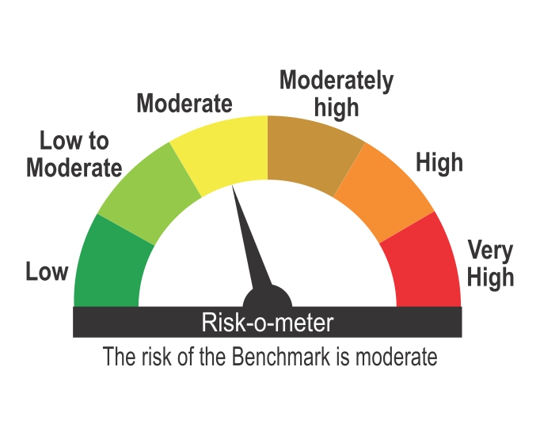
ICICI Prudential Mutual Fund
ICICI Prudential Long Term Bond Fund
Portfolio as on Jan 31,2025
Company/Issuer/Instrument Name | ISIN | Coupon | Industry/Rating | Quantity | Exposure/Market Value(Rs.Lakh) | % to Nav | Yield of the instrument | Yield to Call @
Debt Instruments |  |  |  |  | 111846.10 | 95.99%

Listed / Awaiting Listing On Stock Exchanges |  |  |  |  | 111846.10 | 95.99%

Government Securities |  |  |  |  | 88686.77 | 76.11%
Government Securities | IN0020240019 | 7.1 | SOV | 29856200 | 30574.66 | 26.24% | 6.86
Government Securities | IN0020230077 | 7.18 | SOV | 22603830 | 23241.55 | 19.95% | 6.96
Government Securities | IN0020240134 | 6.92 | SOV | 18063500 | 18222.78 | 15.64% | 6.94
Government Securities | IN0020240027 | 7.23 | SOV | 7000000 | 7247.41 | 6.22% | 6.95
Government Securities | IN0020230085 | 7.18 | SOV | 6237500 | 6408.06 | 5.50% | 6.87
Government Securities | IN0020240126 | 6.79 | SOV | 2972700 | 2992.31 | 2.57% | 6.81

Non-Convertible debentures / Bonds |  |  |  |  | 23159.33 | 19.88%
HDFC Bank Ltd. ** | INE040A08666 | 7.8 | CRISIL AAA | 7500 | 7669.65 | 6.58% | 7.42
The Great Eastern Shipping Company Ltd. ** | INE017A08268 | 8.24 | CRISIL AA+ | 536 | 5324.68 | 4.57% | 8.62
LIC Housing Finance Ltd. ** | INE115A07QI4 | 7.71 | CRISIL AAA | 500 | 5048.17 | 4.33% | 7.54
LIC Housing Finance Ltd. ** | INE115A07QR5 | 7.68 | CRISIL AAA | 2500 | 2527.90 | 2.17% | 7.50
LIC Housing Finance Ltd. | INE115A07QV7 | 7.61 | CRISIL AAA | 2500 | 2516.64 | 2.16% | 7.50
Indian Railway Finance Corporation Ltd. ** | INE053F09EL2 | 8.75 | CRISIL AAA | 6 | 61.38 | 0.05% | 7.51
NABARD ** | INE261F08BE4 | 8.62 | CRISIL AAA | 1 | 10.91 | 0.01% | 7.22

Zero Coupon Bonds / Deep Discount Bonds |  |  |  |  | Nil | Nil

Privately Placed/unlisted |  |  |  |  | Nil | Nil

Securitized Debt Instruments |  |  |  |  | Nil | Nil

Term Deposits |  |  |  |  | Nil | Nil

Deposits (maturity not exceeding 91 days) |  |  |  |  | Nil | Nil

Deposits (Placed as Margin) |  |  |  |  | Nil | Nil

Money Market Instruments |  |  |  |  | Nil | Nil

Certificate of Deposits |  |  |  |  | Nil | Nil

Commercial Papers |  |  |  |  | Nil | Nil

Bills Rediscounted |  |  |  |  | Nil | Nil

Treasury Bills |  |  |  |  | Nil | Nil

Units of an Alternative Investment Fund (AIF) |  |  |  |  | 276.20 | 0.24%
Corporate Debt Market Development Fund (Class A2) | INF0RQ622028 |  | Financial Services | 2531 | 276.20 | 0.24%

TREPS |  |  |  |  | 1825.68 | 1.57%

Net Current Assets |  |  |  |  | 2575.38 | 2.21%
Total Net Assets |  |  |  |  | 116523.36 | 100.00%

Non-Convertible debentures / Bonds & Zero Coupon Bonds / Deep Discount Bonds / Certificate of Deposits / Commercial Papers are considered as Traded based on the information provided by external agencies.
** Non Traded / Illiquid Securities.
For the Instrument/security whose final ISIN is yet to be assigned, disclosure of ISIN has been made as per the details provided by external agencies.
@ As per AMFI Best Practices Guidelines Circular No. 91/ 2020 - 21 dated March 24, 2021 on Valuation of AT-1 Bonds and Tier 2 Bonds, Yield to call is disclosed for AT-1 Bonds and Tier 2 Bonds issued by Banks as provided by Valuation agencies.
For Instances of Deviation In valuation Of Securities as per SEBI master circular ref no SEBI/HO/IMD/IMD-PoD-1/P/CIR/2023/74 dated May 19, 2023.Refer link: https://www.icicipruamc.com/statutory-disclosures/deviation-in-valuation-of-securities
As per AMFI Best Practices Guidelines Circular No. AMFI/ 35P/ MEM-COR/ 72 / 2022-23 dated December 31, 2022 on Standard format for disclosure Portfolio YTM for Debt Schemes, Yield of the instrument is disclosed on annualized basis as provided by Valuation agencies.

Scheme Riskometer

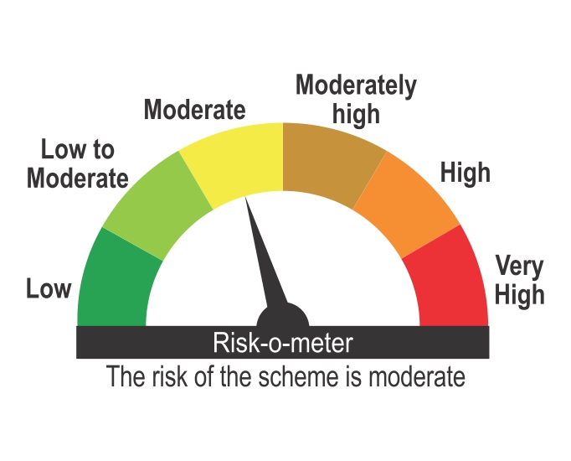

Benchmark Riskometer
Benchmark name - CRISIL Long Duration Debt A-III Index

